Native Final
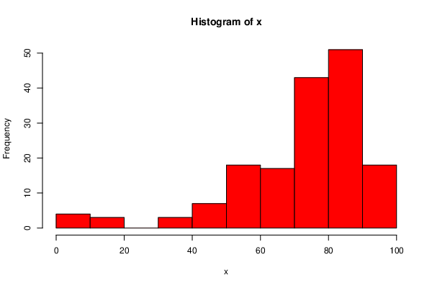
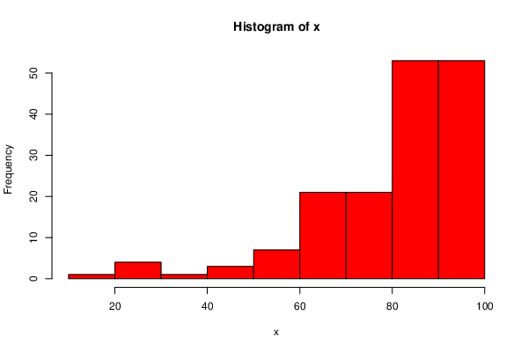
 | DeID | Transfer Status | Final.Exam | Overall | Final | Overall
0 | 05TMV7T8 | FALSE | 90.6666667 | 96.98
3 | 0NTV796A | FALSE | 76 | 90.5
5 | 0W62IGWW | FALSE | 75.8095238 | 85.19
6 | 0XE9LD9K | FALSE | 77.9047619 | 72.47
8 | 1H6IN61T | FALSE | 65.5238095 | 82.34
9 | 1JMPU89A | FALSE | 66.4761905 | 65.54
10 | 25JF6B0Z | FALSE | 74.8571429 | 87.31
11 | 2CDZON7O | FALSE | 89.9047619 | 89.6
12 | 2HUBSS5B | FALSE | 84.952381 | 92.58
13 | 2KZCGJR4 | FALSE | 88.1904762 | 79.67
14 | 2RY0Q89X | FALSE | 91.5238095 | 96.84
16 | 348SI940 | FALSE | 84.8571429 | 90.92
17 | 37J2SSVO | FALSE | 61.1428571 | 59.53
19 | 3CGOB2B6 | FALSE | 72.3809524 | 84.84
23 | 41UJMB2I | FALSE | 83.2380952 | 90.68
24 | 45FB3QKP | FALSE | 56.1904762 | 69.75
25 | 4CPL38QS | FALSE | 49.9047619 | 71.36
26 | 4O8K90O1 | FALSE | 54.6666667 | 79.33
28 | 52CA6S32 | FALSE | 80.5714286 | 91.81
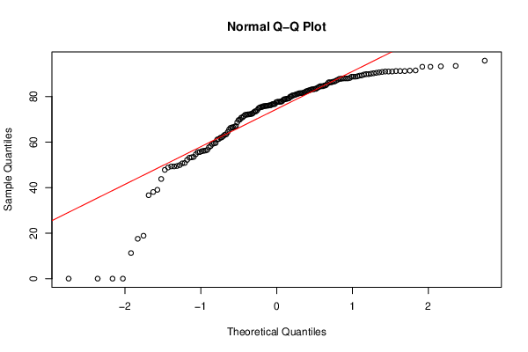
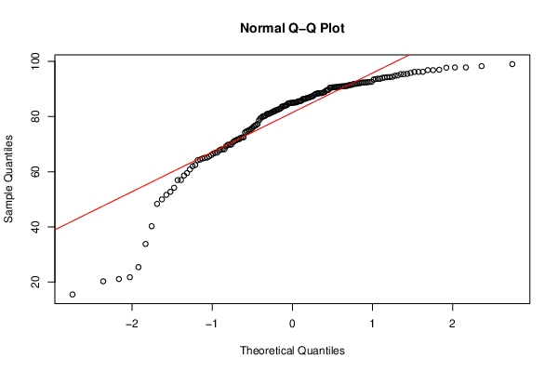
29 | 54ARLTY1 | FALSE | 75.4285714 | 90.7
30 | 54W77V16 | FALSE | 81.1428571 | 90.78
31 | 55QIRZHX | FALSE | 70.7619048 | 81.87
33 | 5DYXUX9U | FALSE | 90.8571429 | 97.8
35 | 5IAUHG1Q | FALSE | 77.7142857 | 82.81
36 | 5NKAH4JP | FALSE | 89.7142857 | 94.89
37 | 670GYX4X | FALSE | 77.8095238 | 89.34
38 | 68JXC9HT | FALSE | 87.8095238 | 87.38
39 | 6AK1X60N | FALSE | 69.9047619 | 80.1
40 | 6HMFTTJE | FALSE | 70.8571429 | 67.64
42 | 6QW7KUDB | FALSE | 68.7619048 | 76.92
43 | 6U9SMNMO | FALSE | 81.3333333 | 74.29
44 | 6UUUQJRQ | FALSE | 80.5714286 | 85.52
46 | 6YDBYADV | FALSE | 86.2857143 | 90.58
47 | 6ZA206YY | FALSE | 50.8571429 | 49.98
48 | 75QMB4RJ | FALSE | 49.3333333 | 75.88
49 | 7CLVI3K6 | FALSE | 78.8571429 | 86.4
50 | 7HGBZ6A3 | FALSE | 88.7619048 | 96.84
51 | 7PQZN82D | FALSE | 53.5238095 | 72.44
53 | 7YDCD5T3 | FALSE | 53.1428571 | 64.77
54 | 85AS1XMS | FALSE | 88 | 92.56
55 | 88VVF2K1 | FALSE | 61.9047619 | 68.11
57 | 8UY4HT9Q | FALSE | 63.2380952 | 69.23
58 | 8WP8W3M8 | FALSE | 39.047619 | 54.21
59 | 8YKAGVE1 | FALSE | 80.7619048 | 84.9
60 | 9GTWOHV1 | FALSE | 56 | 81.33
62 | 9N44GGPT | FALSE | 67.047619 | 84.98
63 | 9PQ94E1Q | FALSE | 59.4285714 | 58.64
65 | 9R3C8UZW | FALSE | 69.7142857 | 84.77
66 | 9UB9QO39 | FALSE | 83.9047619 | 95.39
67 | 9XNX51V2 | FALSE | 80.952381 | 90.62
68 | A0G846WL | FALSE | 76.1904762 | 85.01
69 | A3B7VRPZ | FALSE | 91.2380952 | 96.23
70 | AH0YE617 | FALSE | 0 | 33.82
71 | AHSCAH9Y | FALSE | 88.952381 | 86.35
72 | AIZF8GN3 | FALSE | 76.3809524 | 88.83
73 | AR5Q9FN4 | FALSE | 81.9047619 | 88.35
74 | AWQP8HB0 | FALSE | 0 | 15.5
76 | B2SIV2AB | FALSE | 87.4285714 | 91.11
77 | B43PYI7H | FALSE | 93.3333333 | 97.81
78 | B68BX3NZ | FALSE | 64.3809524 | 80.9
79 | BZNBCIF4 | FALSE | 72 | 75.37
81 | CIOQ52M4 | FALSE | 71.4285714 | 66.01
83 | CLHYZQXI | FALSE | 89.9047619 | 96.2
84 | CO68WRAY | FALSE | 63.4285714 | 82.51
85 | CULH828F | FALSE | 49.5238095 | 66.53
86 | CWU0VP20 | FALSE | 59.6190476 | 61.99
88 | D4XCU3KB | FALSE | 84.5714286 | 91.45
89 | D9BLPTY4 | FALSE | 91.4285714 | 95.5
90 | DAXF6MPS | FALSE | 47.8095238 | 52.73
91 | DC1SEHQ8 | FALSE | 77.7142857 | 81.51
93 | DVDFJF4R | FALSE | 79.2380952 | 89.68
95 | E2MHSBFY | FALSE | 84.5714286 | 93.42
97 | EAVHVVPD | FALSE | 85.5238095 | 95.82
99 | EFXSJJ4C | FALSE | 91.2380952 | 92.4
100 | EQAUYKTO | FALSE | 73.5238095 | 81.06
101 | ESOSV3Q9 | FALSE | 81.5238095 | 83.68
102 | F19B6TQR | FALSE | 88.7619048 | 93.68
103 | FAEREFGY | FALSE | 72.5714286 | 86.89
104 | FFN5W4T9 | FALSE | 76.1904762 | 88.38
105 | FJ6AKLC6 | FALSE | 66.8571429 | 78.64
107 | FOZ7CJ8F | FALSE | 48.8571429 | 48.34
108 | G396JBRX | FALSE | 73.1428571 | 81.9
112 | GFI1N5NJ | FALSE | 58.2857143 | 57.01
113 | H4VYAS7V | FALSE | 90.4761905 | 97.71
114 | H6CR4T63 | FALSE | 91.047619 | 93.59
115 | HFZ6G95X | FALSE | 75.9047619 | 85.03
117 | HUYJ2Z64 | FALSE | 49.3333333 | 51.61
122 | I6YMR4N3 | FALSE | 55.6190476 | 56.97
127 | J08KDV0E | FALSE | 76.7619048 | 76.73
128 | J5G0WJP3 | FALSE | 43.8095238 | 69.83
129 | JH6256UQ | FALSE | 93.5238095 | 94.41
131 | JJZZVQD2 | FALSE | 80 | 60.84
133 | K3JCJ36E | FALSE | 83.4285714 | 91.39
134 | KB67GK36 | FALSE | 73.5238095 | 77.36
135 | KIMW6WRX | FALSE | 52.1904762 | 74.6
136 | KQEELFAI | FALSE | 90.0952381 | 95.38
138 | KWXWY8Y1 | FALSE | 83.2380952 | 91.93
139 | L40FQQZN | FALSE | 81.5238095 | 88.54
141 | LSPLH1WD | FALSE | 0 | 21.09
143 | LVI2VS58 | FALSE | 78.4761905 | 88.68
144 | LXGGEWLP | FALSE | 89.2380952 | 92.1
145 | LZN1JJ1J | FALSE | 80 | 91.52
146 | M6AEPMRR | FALSE | 82.6666667 | 90.89
147 | M81RNKAB | FALSE | 93.1428571 | 96.21
148 | MDMPVIE0 | FALSE | 66.4761905 | 85.61
149 | MHA6AV50 | FALSE | 56.2857143 | 72.27
150 | MISHZ4MU | FALSE | 79.047619 | 84.12
151 | N7WQ5VXB | FALSE | 86.2857143 | 90.5
152 | NGABZJNW | FALSE | 88 | 94.78
153 | NNZCJHTL | FALSE | 76.7619048 | 82.27
154 | NTY4WLCI | FALSE | 11.2380952 | 21.76
155 | NTZUPDYT | FALSE | 50.6666667 | 62.45
156 | NWQH6U9I | FALSE | 79.1428571 | 92.35
157 | NZIDR8BL | FALSE | 66.2857143 | 74.84
159 | OBP7K2UD | FALSE | 91.047619 | 98.28
160 | OC34VZ49 | FALSE | 59.2380952 | 64.41
163 | OKNES1V5 | FALSE | 61.3333333 | 76.31
164 | OVK8LMQX | FALSE | 83.4285714 | 88.51
167 | PM6VND9G | FALSE | 53.3333333 | 66.87
170 | QUSJDMGM | FALSE | 81.7142857 | 84.04
171 | QVP2AIBU | FALSE | 87.047619 | 94.02
174 | R50ZEKQP | FALSE | 18.8571429 | 25.4
175 | R55S87ZF | FALSE | 78.8571429 | 87.12
176 | REZ3M4U9 | FALSE | 87.8095238 | 91.86
177 | RPO3ROLO | FALSE | 93.1428571 | 94.33
178 | RS945JJ1 | FALSE | 82.2857143 | 86.45
179 | RW9CCT13 | FALSE | 0 | 40.26
180 | S0SPZ32D | FALSE | 77.7142857 | 85.8
181 | S5EU75KN | FALSE | 86.2857143 | 91.11
182 | S66W2MVT | FALSE | 72.2857143 | 80.36
183 | SF8HBUS0 | FALSE | 17.5238095 | 20.29
184 | SFG7CY2P | FALSE | 88.7619048 | 90.98
188 | T305I2KC | FALSE | 75.2380952 | 65.13
189 | T7HAIDZ1 | FALSE | 62.6666667 | 71.78
190 | THFZICSB | FALSE | 90.2857143 | 92.44
191 | TICH0F9P | FALSE | 84.1904762 | 92.14
192 | TJ9QJ4TR | FALSE | 72.1904762 | 81
193 | U6U9L41K | FALSE | 88 | 93.7
194 | UJ69VAGY | FALSE | 86.6666667 | 82.98
195 | UR0S4SRF | FALSE | 76 | 87.83
196 | UTQXMBI6 | FALSE | 72.1904762 | 71.72
197 | UZAIY7HS | FALSE | 91.2380952 | 88.48
198 | V36PA739 | FALSE | 72 | 68.05
199 | VG3O092O | FALSE | 57.7142857 | 66.93
200 | VH61OQEJ | FALSE | 95.8095238 | 99.01
201 | VH9CJJ5N | FALSE | 84.5714286 | 83.84
203 | W6OO1FUQ | FALSE | 38.0952381 | 64.19
204 | WAEZO0JC | FALSE | 55.6190476 | 68.14
205 | WHP1XRAO | FALSE | 76.7619048 | 75.1
207 | WRXQHROG | FALSE | 56.5714286 | 70.62
210 | X2V86U9W | FALSE | 82.8571429 | 86.78
211 | XA4PUGCC | FALSE | 86.5714286 | 85.5
212 | XJC1SCD3 | FALSE | 88 | 92.34
213 | XOMW2LI9 | FALSE | 81.5238095 | 65.03
214 | XSG9W3YN | FALSE | 75.8095238 | 88.15
215 | XUQ9A89C | FALSE | 75.4285714 | 86.65
216 | XY6OHYRU | FALSE | 83.047619 | 83.62
218 | YBKJHGXV | FALSE | 82.4761905 | 90.98
219 | YCD0W2SB | FALSE | 74.0952381 | 71.12
220 | YCMYEOL0 | FALSE | 77.5238095 | 85.13
221 | YNVQCW6R | FALSE | 91.047619 | 94.29
223 | Z74R1BQR | FALSE | 36.6666667 | 69.82
224 | ZN61C26E | FALSE | 89.3333333 | 94.15
225 | ZVUT6HP0 | FALSE | 62.0952381 | 80.11

Transfer Final
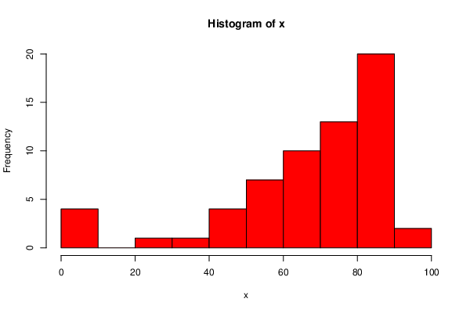
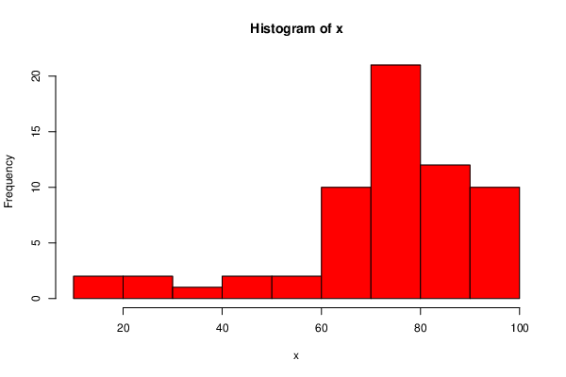
 | DeID | Transfer Status | Final.Exam | Overall
1 | 0CJNKJ3G | TRUE | 59.6190476 | 61.5 |  | Overall
2 | 0IPF8NR0 | TRUE | 81.5238095 | 78.44 | Final
4 | 0UFJO4V8 | TRUE | 72.7619048 | 76.22
7 | 1516FKR6 | TRUE | 86 | 87.06
15 | 2YN4DT5W | TRUE | 81.5238095 | 83
18 | 3B1I7KZ8 | TRUE | 59.047619 | 70.8
20 | 3QJJOU1J | TRUE | 70.8571429 | 63.97
21 | 3XGFUSMI | TRUE | 68.1904762 | 73.04
22 | 3Z8EXFXJ | TRUE | 83.4285714 | 86.62
27 | 50RN1MFD | TRUE | 83.6190476 | 70.99
32 | 57T5TAHN | TRUE | 87.047619 | 90.95
34 | 5EPOTQMD | TRUE | 81.7142857 | 74.49
41 | 6Q3XGBID | TRUE | 73.7142857 | 85.4
45 | 6V68NG3I | TRUE | 80.7619048 | 71.17
52 | 7SS9SWZ2 | TRUE | 68.7619048 | 77.76
56 | 8QFSI6X7 | TRUE | 52.8571429 | 62.86
61 | 9IV34PWW | TRUE | 83.5238095 | 79.77
64 | 9Q1TZHHX | TRUE | 79.2380952 | 86.8
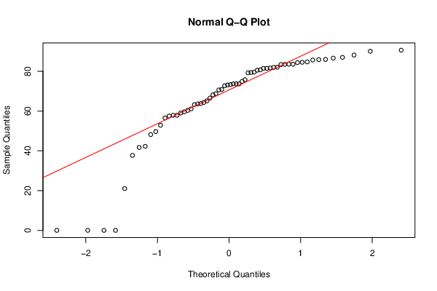
75 | B2CHHU5N | TRUE | 73.1428571 | 85.35
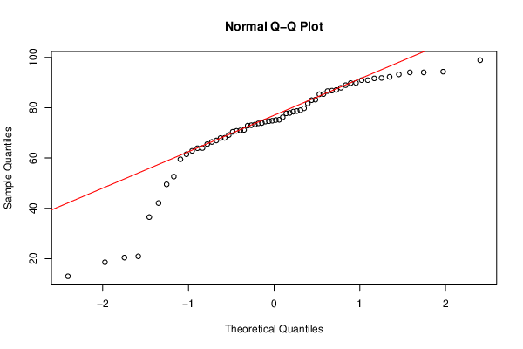
80 | C5U4S8HT | TRUE | 41.7142857 | 52.63
82 | CJW5LN83 | TRUE | 21.047619 | 20.93
87 | D0NCXALW | TRUE | 90.6666667 | 98.91
92 | DOBOXDVS | TRUE | 63.6190476 | 66.39
94 | DVE7VM71 | TRUE | 0 | 36.51
96 | E3N3U3C4 | TRUE | 84.5714286 | 83.22
98 | EAXYK9WX | TRUE | 56.5714286 | 67.96
106 | FMW0T2M1 | TRUE | 66.5714286 | 65.53
109 | G4QQYEHW | TRUE | 57.5238095 | 74.66
110 | G7TZVX0C | TRUE | 65.1428571 | 72.88
111 | GDEKR6RS | TRUE | 83.6190476 | 90.96
116 | HRYK35NC | TRUE | 48.1904762 | 49.54
118 | HWQW8PXK | TRUE | 63.8095238 | 75.11
119 | HWRGI29V | TRUE | 79.4285714 | 91.84
120 | I4P6RFWE | TRUE | 80.5714286 | 73.94
121 | I6PHCT60 | TRUE | 60.3809524 | 69.15
123 | IDDOJB3Y | TRUE | 82 | 88.97
124 | IDROCPBC | TRUE | 88.1904762 | 89.79
125 | IS1XQ2OH | TRUE | 0 | 20.43
126 | IU5GUSA7 | TRUE | 86.6666667 | 87.93
130 | JJMGNAUW | TRUE | 57.9047619 | 66.98
132 | K0VFTOOM | TRUE | 85.7142857 | 89.85
137 | KVU5NOUB | TRUE | 49.7142857 | 63.91
140 | LDZ33RRK | TRUE | 42.2857143 | 59.51
142 | LT5F9FWJ | TRUE | 63.2380952 | 73.28
158 | OA7CCEI8 | TRUE | 0 | 12.98
161 | OCEKX98F | TRUE | 90.0952381 | 94.35
162 | OHO0V0EM | TRUE | 57.9047619 | 73.79
165 | P7WWT85C | TRUE | 85.9047619 | 94.06
166 | PCMK7ZJU | TRUE | 82.0952381 | 91.66
168 | Q20DI5Q0 | TRUE | 84.7619048 | 92.28
169 | QUON1228 | TRUE | 61.1428571 | 79.01
172 | QXHP2ZYQ | TRUE | 79.6190476 | 93.26
173 | QZ995NE8 | TRUE | 73.3333333 | 81.66
185 | SKX5LQ20 | TRUE | 84.3809524 | 94.06
186 | T0EWCQT7 | TRUE | 64.3809524 | 74.84
187 | T1ADLMJT | TRUE | 73.7142857 | 77.93
202 | W4B2TSXM | TRUE | 74.952381 | 70.43
206 | WK1QC0F7 | TRUE | 70.6666667 | 78.68
208 | WWLQ9G21 | TRUE | 75.8095238 | 68.03
209 | X29GZII3 | TRUE | 37.7142857 | 42.11
217 | XY8QOSP0 | TRUE | 73.7142857 | 75.22
222 | YPIW6V65 | TRUE | 0 | 18.56

